Notes
This presentation slide was from the City of San Diego's Pure Water San Diego Working Group meeting June 24, 2015. (originally from Meena Westford, forwarded to me by Jen Nevills)

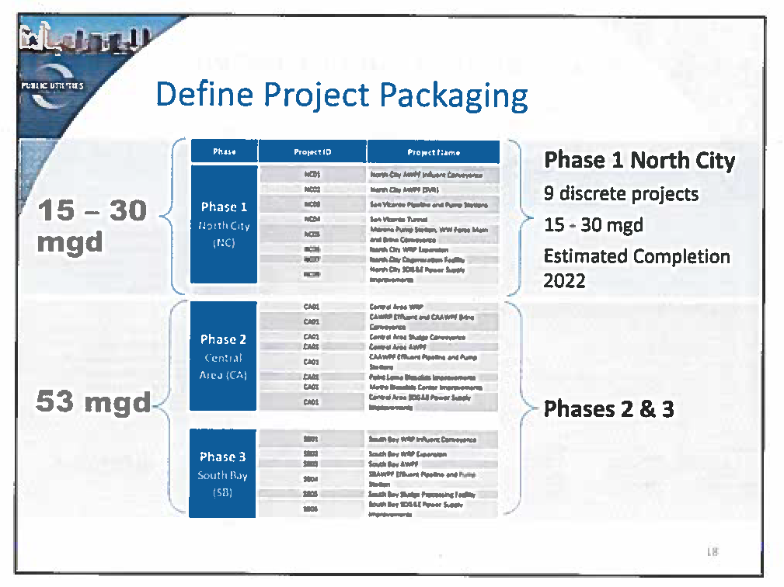
 | Project Name | Status | Online | Ultimate Yield
 | PURE Water - Phase 1 North City | Preliminary Design | 2022 | 33,000 AFY (based on 30 mgd)
 | PURE Water - Phase 2 Central Area | Conceptual? | ? | ?
 | PURE Water - Phase 3 South Bay | Conceptual? | ? | ?

